TC_Production_Issue
 | Project Name: Renault-EW
Updated By:- | Jitendra |  | ReTestedBy:- | Jitendra |  | Developed By: | Vikash
Creation Date:- | 2020-07-01 |  | Retesting Date:-
Version: - |  |  | Module:- | Renault production issue |  | Power ID: | 11382
Test Case ID | Test Case Summary | Pre - Conditions | Test Case Steps | Test Data | Actual Result | Attachments/Links | Expected Result | Priority | Severity | Status | Test Data | Power ID | Date | Status | Power ID | Date | Status | Test Data | Power ID | Date | Status
TC_Production_Issue_01 | To verify if the Standard Warranty start Date and Warranty End Dates appearing while creating an EW Agreement is same as that of the Standard warranty start date and end date appearing in the middleware. For Upgrade Policy | Dealer is already logged in. | 1) Create an agreement by entering a correct vin number. 2)Open the details of the entered vin in the middleware. 3)Closeley check the warranty start and warranty end date in both the dealer portal and middleware. | Vin :MEEBBA000G9413485, MEEBBA000H3483105 Arg No:RIP249143,RIP249144 | After creating an upgrate agreement , Standard warranty start data and Standard warranty End date shows "00-00-0000" at agreement details page. VIN NO: MEERHA009J5006373 RIP249147 | https://prnt.sc/teidwa | Standard Warranty start Date and Warranty End Dates appearing while creating an EW Agreement should be same as that of the Standard warranty start date and end date appearing in the middleware. | High | High | Pass | MEERHA009J5006373 RIP220953 | 11471 | 2020-09-07 | Fail | 11611 | 21/7/2020 | Pass | MEEBBA000KB704098 |  | 31/07/2020 | Pass
TC_Production_Issue_02 | To verify if the Standard Warranty start KMS and END KMs appearing while creating an EW Agreement is same as that of the Standard warranty start KMS and End Kms appearing in the middleware. For Upgrade Policy | Dealer is already logged in. | 1) Create an agreement by entering a correct vin number. 2)Open the details of the entered vin in the middleware. 3)Closeley check the warranty start and warranty end date in both the dealer portal and middleware. | Vin :MEEBBA000G9413485,MEEBBA000H3483105 Arg No:RIP249143,RIP249144 | 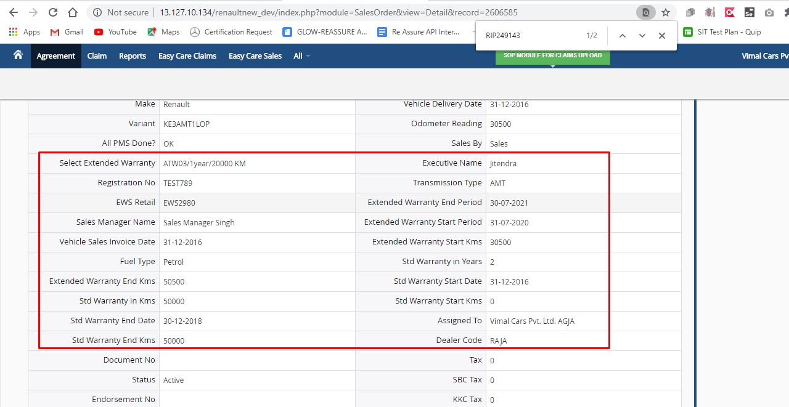 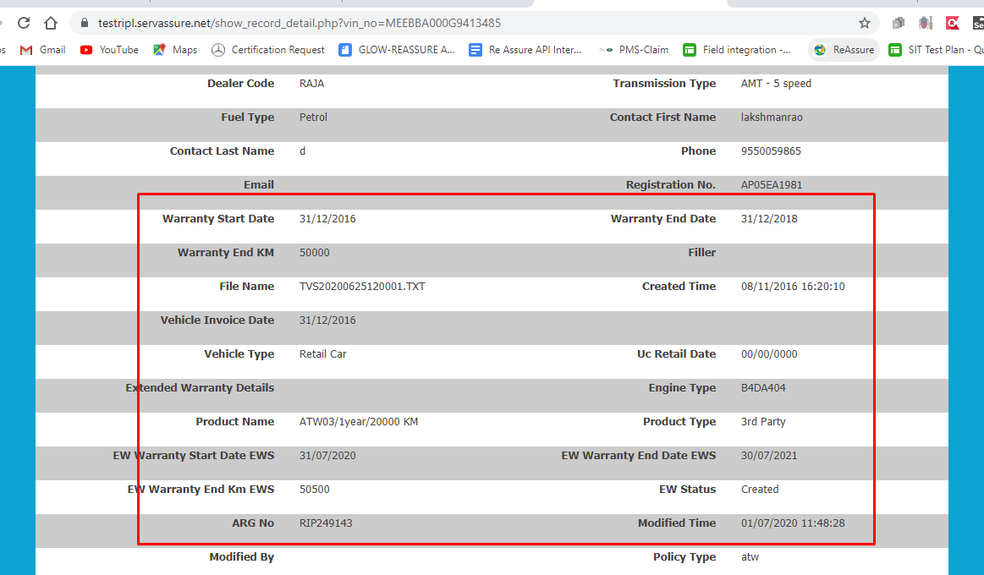 |  | Standard Warranty start KMS and END KMs appearing while creating an EW Agreement should be same as that of the Standard warranty start KMS and End Kms appearing in the middleware. |  |  | Pass | MEERHA009J5006373 RIP220953 | 11471 | 2020-09-07 | Pass | 11611 | 21/7/2020 | Pass | MEEBBA000KB704098 |  | 31/07/2020 | Pass
TC_Production_Issue_03 | To verify if the details of the Extended warranty after creating an EW Agreement has updated in the middleware or not. For Upgrade Policy | Dealer is already logged in. | 1) Create an agreement by entering a correct vin number. 2)Open the details of the entered vin in the middleware. 3)Closeley check the extended warranty details in both portal and middleware. | Vin :MEEBBA000G9413485,MEEBBA000H3483105 Arg No:RIP249143,RIP249144 |  |  | details of the Extended warranty after creating an EW Agreement should get update in the middleware. |  |  | Pass | MEERHA009J5006373 RIP220953 | 11471 | 2020-09-07 | Pass | 11611 | 21/7/2020 | Pass | MEEBBA000KB704098 RIP249156 |  | 31/07/2020 | Pass
TC_Production_Issue_04 | To verify if the Standard Warranty start Date and Warranty End Dates appearing while creating an EW Agreement is same as that of the Standard warranty start date and end date appearing in the middleware. For ATW Policy | Dealer is already logged in. | 1) Create an agreement by entering a correct vin number. 2)Open the details of the entered vin in the middleware. 3)Closeley check the warranty start and warranty end date in both the dealer portal and middleware. | MEEAHBA11E2500256 RIP249149 | MEEBBA000H6505764 RIP249163 |  | Standard Warranty start Date and Warranty End Dates appearing while creating an EW Agreement should be same as that of the Standard warranty start date and end date appearing in the middleware. |  |  |  |  | 11471 | 2020-09-07 | Pass | 11611 | 21/7/2020 | Pass | MEEBBA001GA427748 |  | 31/07/2020 | Pass
TC_Production_Issue_05 | To verify if the Standard Warranty start KMS and END KMs appearing while creating an EW Agreement is same as that of the Standard warranty start KMS and End Kms appearing in the middleware. For ATW Policy | Dealer is already logged in. | 1) Create an agreement by entering a correct vin number. 2)Open the details of the entered vin in the middleware. 3)Closeley check the warranty start and warranty end date in both the dealer portal and middleware. | MEEAHBA11E2500256 RIP249149 | MEEBBA000H6505764 RIP249163 |  | Standard Warranty start KMS and END KMs appearing while creating an EW Agreement should be same as that of the Standard warranty start KMS and End Kms appearing in the middleware. |  |  |  |  | 11471 | 2020-09-07 | Pass | 11611 | 21/7/2020 | Pass | MEEBBA001GA427748 |  | 31/07/2020 | Pass
TC_Production_Issue_06 | To verify if the details of the Extended warranty after creating an EW Agreement has updated in the middleware or not. For ATW Policy | Dealer is already logged in. | 1) Create an agreement by entering a correct vin number. 2)Open the details of the entered vin in the middleware. 3)Closeley check the extended warranty details in both portal and middleware. | MEEAHBA11E2500256 RIP249149 | https://prnt.sc/trotxm RIP249163 MEEBBA000H6505764 https://prnt.sc/trpe1m |  | details of the Extended warranty after creating an EW Agreement should get update in the middleware. |  |  |  |  | 11471 | 2020-09-07 | Pass | 11611 | 21/7/2020 | Pass | MEEBBA001GA427748 RIP249155 |  | 31/07/2020 | Pass
TC_Production_Issue_07 | To verify if the Standard Warranty start Date and Warranty End Dates appearing while creating an EW Agreement is same as that of the Standard warranty start date and end date appearing in the middleware. For New Policy | Dealer is already logged in. | 1) Create an agreement by entering a correct vin number. 2)Open the details of the entered vin in the middleware. 3)Closeley check the warranty start and warranty end date in both the dealer portal and middleware. | MEEHSRSGEKC000571 RIP249148 | RIP249164 MEEBBA001L2715953 |  | Standard Warranty start Date and Warranty End Dates appearing while creating an EW Agreement should be same as that of the Standard warranty start date and end date appearing in the middleware. | High | High |  |  | 11471 | 2020-09-07 | Pass | 11611 | 21/7/2020 | Pass | MEEBBA000KA699541 RIP249154 |  | 31/07/2020 | Pass
TC_Production_Issue_08 | To verify if the Standard Warranty start KMS and END KMs appearing while creating an EW Agreement is same as that of the Standard warranty start KMS and End Kms appearing in the middleware. For New Policy | Dealer is already logged in. | 1) Create an agreement by entering a correct vin number. 2)Open the details of the entered vin in the middleware. 3)Closeley check the warranty start and warranty end date in both the dealer portal and middleware. | MEEHSRSGEKC000571 RIP249148 | RIP249164 MEEBBA001L2715953 |  | Standard Warranty start KMS and END KMs appearing while creating an EW Agreement should be same as that of the Standard warranty start KMS and End Kms appearing in the middleware. |  |  |  |  | 11471 | 2020-09-07 | Pass | 11611 | 21/7/2020 | Pass | MEEBBA000KA699541 RIP249154 |  | 31/07/2020 | Pass
TC_Production_Issue_09 | To verify if the details of the Extended warranty after creating an EW Agreement has updated in the middleware or not. For New Policy | Dealer is already logged in. | 1) Create an agreement by entering a correct vin number. 2)Open the details of the entered vin in the middleware. 3)Closeley check the extended warranty details in both portal and middleware. | MEEHSRSGEKC000571 RIP249148 | RIP249164 MEEBBA001L2715953 |  | details of the Extended warranty after creating an EW Agreement should get update in the middleware. |  |  |  |  | 11471 | 2020-09-07 | Pass | 11611 | 21/7/2020 | Pass | MEEBBA000KA699541 RIP249154 |  | 31/07/2020 | Pass
TC_Production_Issue_10 | To verify if the Standard Warranty start Date and Warranty End Dates appearing while creating an EW Agreement is same as that of the Standard warranty start date and end date appearing in the middleware. For easy care Policy | Dealer is already logged in. | 1) Create an agreement by entering a correct vin number. 2)Open the details of the entered vin in the middleware. 3)Closeley check the warranty start and warranty end date in both the dealer portal and middleware. | MEERBC00XKB016572 | MEERBC00XKB016572 REC6454 |  | Standard Warranty start Date and Warranty End Dates appearing while creating an EW Agreement should be same as that of the Standard warranty start date and end date appearing in the middleware. | High | High |  |  | 11471 | 2020-09-07 | Pass | 11611 | 21/7/2020 | Pass |  |  | 31/07/2020 | Pass
TC_Production_Issue_11 | To verify if the Standard Warranty start KMS and END KMs appearing while creating an EW Agreement is same as that of the Standard warranty start KMS and End Kms appearing in the middleware. For easy care Policy | Dealer is already logged in. | 1) Create an agreement by entering a correct vin number. 2)Open the details of the entered vin in the middleware. 3)Closeley check the warranty start and warranty end date in both the dealer portal and middleware. | MEERBC00XKB016572 | MEERBC00XKB016572 REC6454 |  | Standard Warranty start KMS and END KMs appearing while creating an EW Agreement should be same as that of the Standard warranty start KMS and End Kms appearing in the middleware. |  |  |  |  | 11471 | 2020-09-07 | Pass | 11611 | 21/7/2020 | Pass |  |  | 31/07/2020 | Pass
TC_Production_Issue_12 | To verify if the details of the Extended warranty after creating an EW Agreement has updated in the middleware or not. For easy care Policy | Dealer is already logged in. | 1) Create an agreement by entering a correct vin number. 2)Open the details of the entered vin in the middleware. 3)Closeley check the extended warranty details in both portal and middleware. | MEERBC00XKB016572 | MEERBC00XKB016572 REC6454 |  | details of the Extended warranty after creating an EW Agreement should get update in the middleware. |  |  |  |  | 11471 | 2020-09-07 | Pass | 11611 | 21/7/2020 | Pass |  |  | 31/07/2020 | Pass

